Issue1
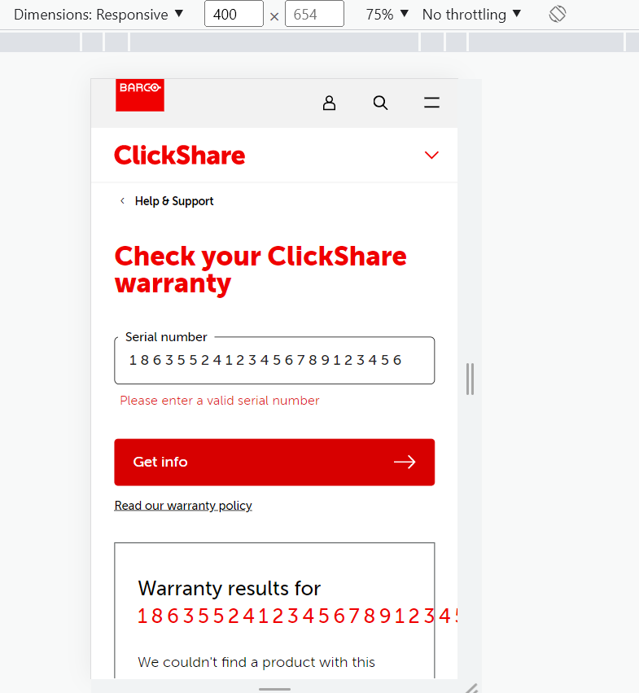
Issues
Title | The sn will exceed the border in mobile web mode
Steps to reproduce | 1. Set the page under mobile web mode 2. Enter a long sn number, and click 'Get Info' button
Expected behavior | If the sn is long, it should switch to the second line
Actual result | If the sn is long, it will exceed the border
Environment | Chrome ver.110
Priority | Low

Issue2
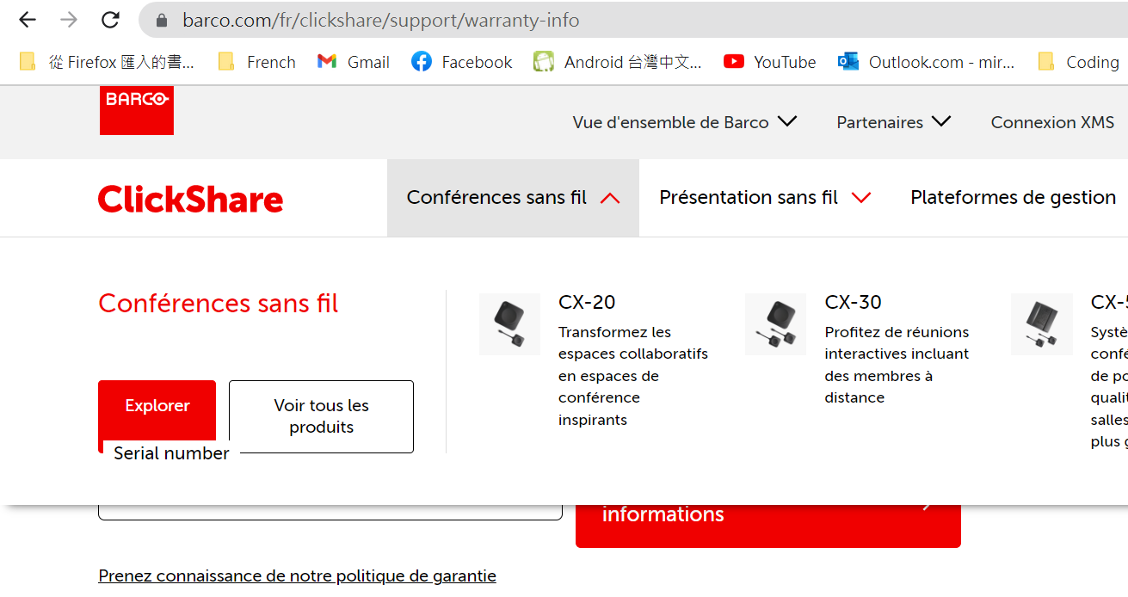
Issues
Title | The Explore button will overlap with the sn title when the language is not en
Steps to reproduce | 1. Set page to other languages, like fr 2. Hover on the tab of Wireless conferencing
Expected behavior | The elements in the tab should be on the top of the page, and will not overlap with other elements
Actual result | The label of serial number will overlap with the Explore button
Environment | Chrome ver.110
Priority | Low

Issue3
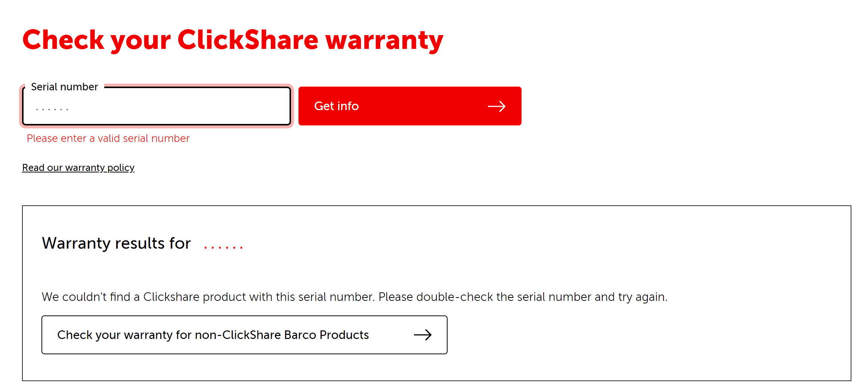
Issues
Title | If the sn is not valid, should not query warranty for the invalid sn
Steps to reproduce | 1. Enter an invalid sn, like …... 2. Click 'Get info' button
Expected behavior | If the sn is not valid, should only show the error toast, and should not query warranty for the invalid sn
Actual result | It will query warranty for the invalid sn
Environment | Chrome ver.110
Priority | Low

Issue4
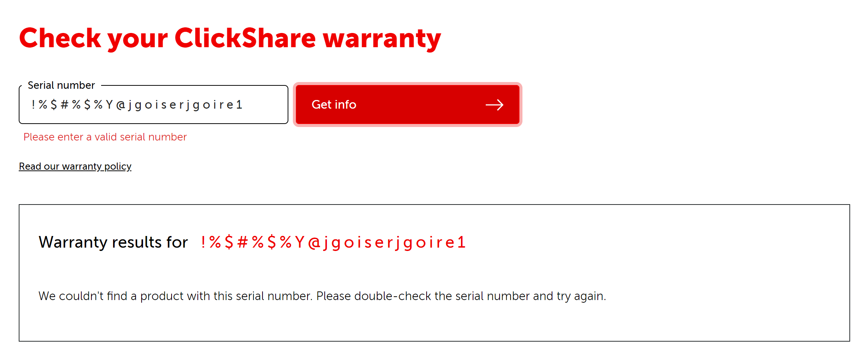
Issues
Title | Should not allow to enter chars or sign in the input bar
Steps to reproduce | 1. Enter some chars, digits and signs in the input area
Expected behavior | Should only allow to enter digits in the input area
Actual result | Can type chars and signs in the input area
Environment | Chrome ver.110
Priority | Medium

